1. Title Page
Instacart Basket Analysis

Project Name: Instacart Basket Analysis
Date: October 17, 2022
Analyst Name: Alie Coolidge

Contents:
Population Flow
Consistency checks
Wrangling steps
Column derivations
Visualizations
Recommendations

Data Citation

“The Instacart Online Grocery Shopping Dataset 2017”, Accessed from https://www.instacart.com/datasets/grocery-shopping-2017 on 9/20/2022
Customer data and 'prices' column were fabricated for learning purposes only.

2. Population Flow
Population flow

Exclusion flag
Condition: max_order <
Obervations to be removed:
Final total count of order_products_all: 32404589

Orders_products_combined
Orders_products_merged
Orders_products_all

Total: 32404859
Total: 32434489
Total: 32404589

1.) The grey boxes in the first row of the population flow represent the original data sets as they were when you downloaded them. In the Total fields you need to add the count of the rows when you imported the data set into Jupyter.
2.) The second row of boxes (coloured) represents the data sets after you manipulated them, e.g., removed missing values and duplicates. In the Total fields you need to add the count of the rows after conducting these operations. This offers a visual oveview of how the data flows throughout the data consistency checks.
3.) The third row, where also the arrows are coloured, represents the merges you performed between the datasets. In the Total fields you need to add the count of the rows in the merged datasets, so that you end up with the final dataset (in the red box). Keep in mind the final dataset should be without exclusions (based on the exclusion flag).

3. Wrangling steps
Wrangling steps

Columns dropped | Columns renamed | Columns' type changed | Comment/Reason
ORDERS.CSV
Eval set |  |  | unnecessary/ irrelevant
 | orders_dow |  | renamed to orders_day_of_week for clarity
 |  | order_id | integer to string
 |  | user_id | integer to string
 |  | order_number | integer to string
DEPARTMENTS.CSV
 | department |  | All columns became rows within a single column, depatment. IE transposed from horizontal to vertical
 | index |  | Added after transposition
CUSTOMERS.CSV
 | First Name |  | renamed to first_name for consistency
 | Surnam |  | renamed to last_name for consistency
 | Gender |  | renamed to to gender for consistency
 | STATE |  | renamed to state for consistency
 | Age |  | renamed to to age for consistency
 | n_dependents |  | renamed to to dependents for consistency
 |  | user_id | integer to string
 |  | first_name | integer to string
DF_ORDS_PRODS_MERGE
 |  | user_id | integert to string for merge compatibility with df_cust
DF_ORDS_PRODS_CUST
first_name |  |  | PII - dropped
last_name |  |  | PII - dropped

4. Consistency checks
Consistency checks

Dataset | Missing values | Missing values treatment | Duplicates
orders | days_since_prior_order | no action taken to dataframe. Subset was created (df_nan_ords) and will be provided to client. These missing values are significant and may represent customers who only placed a single order or indicate data collection issues.
orders |  |  | none

products | product_name (16) | new dataframe created without missing values
products |  |  | 5 duplicates found and dropped

orders_products_merged | prices | 5127 outlier values assigned NaN

customers | first_name | 11259 NaN values replaced with Customer

5. Column derivations
Column derivations and aggregations

In this tab you should add tables below that the frequences of flags/label variables that you produced after deriving them. NB: don't do this for continuous variables, only for flags.
Dataset | New column | Column/s it was derived from | Conditions
Departments | Department | all | Transposed from horizontal to vertical, making original columns objects to the new Departments column
Departments | Index | n/a | created following transposition

Orders_Products_Merged | _merge | product_id | Combination key (product_id) exists in both (orders, products datasets)
Orders_Products_Merged | price_range_loc | prices | Low-range product: <= 5, Mid-range product: >5 and <= 15, High range: > 15
Orders_Products_Merged | busiest_day | order_day_of_week | Busiest day = 0, Least busy = 4, Regularly busy = else
Orders_Products_Merged | busiest_days | order_day_of_week | Busiest days = 0 or 1, Least busy = 4 or 3, Regularly busy = else
Orders_Products_Merged | busiest_period_of_day | order_hour_of_day | Most = hour 10, 11, 14, 15, 13, 12, 16, 9. Average = hour 17, 8, 18, 19, 20, 7, 21, 22. Fewest = hour 23, 6, 0, 1, 5, 2, 4, 3.
Orders_Products_Merged | max_order | user_id, order_number | df_ords_prods_merge.groupby(['user_id'])['order_number'].transform(np.max)
Orders_Products_Merged | loyalty_flag | max_order | Loyal customer: > 40,Regular customer: <= 40 and >10, New customer: <10
Orders_Products_Merged | avg_price | user_id, prices | df_ords_prods_merge.groupby(['user_id'])['prices'].transform(np.mean)
Orders_Products_Merged | spender_flag | avg_price | Low spender: <10. High spender: >= 10
Orders_Products_Merged | median_days_since_prior_order | user_id, days_since_prior_order | df_ords_prods_merge.groupby(['user_id'])['days_since_prior_order'].transform(np.median)
Orders_Products_Merged | frequency_flag | median_days_since_prior_order | Nonfrequent customer: > 20, Regular customer: > 10 and <= 20, Frequent customer: < 10

Ords_Prods_Cust | region | state | northeast = ['Maine','New Hampshire','Vermont','Massachusetts','Rhode Island','Connecticut','New York','Pennsylvania','New Jersey']
 |  |  | midwest = ['Wisconsin','Michigan','Illinois','Indiana','Ohio','North Dakota','South Dakota','Nebraska','Kansas','Minnesota','Iowa','Missouri']
 |  |  | south = ['Delaware','Maryland','District of Columbia','Virginia','West Virginia','North Carolina','South Carolina','Georgia','Florida','Kentucky', 'Tennessee','Mississippi','Alabama','Oklahoma','Texas','Arkansas','Louisiana']
 |  |  | west = ['Idaho','Montana','Wyoming','Nevada','Utah','Colorado','Arizona','New Mexico','Alaska','Washington','Oregon','California','Hawaii']
Ords_Prods_Cust | activity_flag | max_order | max_order <= 5 = 'low activity' / max_order> 5 = 'high activity'

High_Activity_Sample | age_group_flag | age | Young adult = 18-39, Mid adult = 40-64, Senior = 65-100
High_Activity_Sample | income_group_flag | income | Low income = <40k, Mid income = 40k-100k, High income = >100k
High_Activity_Sample | family_group_flag | dependents | has kids= dependent >=1 , no_kids= dependent=0
High_Activity_Sample | meal_prepper_flag | order_day_of_week | order DOW Saturday 0 or Sunday 1

Frequency Tables

_merge
both 32404859
Name: _merge, dtype: str

price_range_loc
Low-range product 10126321
Mid-range product 21860860
High-range product 417678
Name: price_range_loc, dtype: int64

busiest_day
Regularly busy 22416875
Busiest day 6204182
Least busy 3783802
Name: busiest_day, dtype: int64

busiest_days
Regularly busy 12916111
Busiest days 11864412
Least busy 7624336
Name: busiest_days, dtype: int64

busiest_period_of_day
Most Orders 21118071
Average Orders 9997651
Fewest Orders 1289137
Name: busiest_period_of_day, dtype: int64

max_order
99 1171333
8 811843
6 811396
9 810213
7 803979
...
97 44949
98 44587
96 40453
2 6
1 5
Name: max_order, Length: 99, dtype: int64

loyalty_flag
Regular customer 15876776
Loyal customer 10284093
New customer 6243990
Name: loyalty_flag, dtype: int64

avg_price
8.000000 10337
7.500000 9116
8.100000 8254
7.750000 7048
7.400000 7044
...
13.800000 3
10.266667 3
2.700000 3
5.600000 3
12.200000 3
Name: avg_price, Length: 128637, dtype: int64

spender_flag
Low spender 31770614
High spender 634245
Name: spender_flag, dtype: int64

median_days_since_prior_order
7.0 5682399
6.0 2983604
8.0 2713964
5.0 2486061
4.0 2314289
...
26.5 5514
29.5 5095
1.5 1684
0.5 235
NaN 5
Name: median_days_since_prior_order, Length: 62, dtype: int64

frequency_flag
Frequent customer 21559853
Regular customer 7208564
Non-frequent customer 3636437
NaN 5
Name: frequency_flag, dtype: int64

activity_flag
High Activity 30171424
Low Activity 2233435
Name: activity_flag, dtype: int64

region
South 10791885
West 8292913
Midwest 7597325
Northeast 5722736
Name: region, dtype: int64

age_group_flag
Mid Adult 16038291
Senior 7536395
Young Adult 6143408
Name: age_group_flag, dtype: int64

income_group_flag
Mid Income 14752042
High income 13863645
Low Income 1555737
Name: income_group_flag, dtype: int64

family_flag
1 (Has Kids) 22632211
0 (No Kids) 7539213
Name: family_group_flag, dtype: int64

meal_prepper_flag
Not Meal Prepper 19149044
Meal Prepper 11022380
Name: meal_prepper_flag, dtype: int64

6. Visualizations
Visualisations

In this tab you should include all the visualtions from Exercises 4.9 and 4.10, alongside the questions from the project brief that they answer. Include any commentary on the relationship between different variables.

4.9 Visualizations
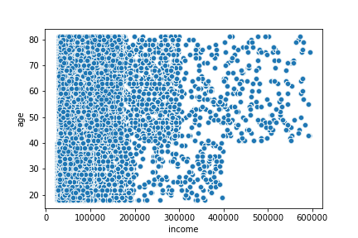
Scatterplot: Age and income

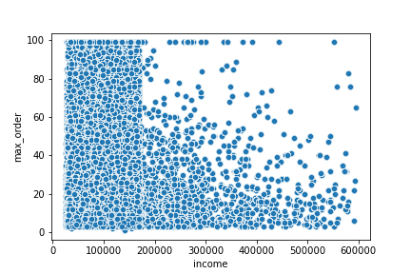
Scatterplot: Income and max order

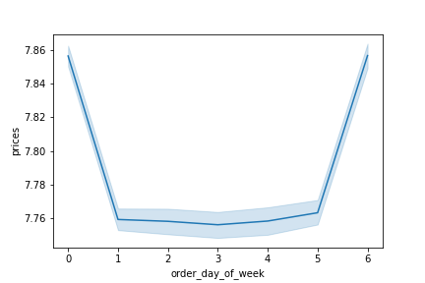
Line chart: Order day of week and prices

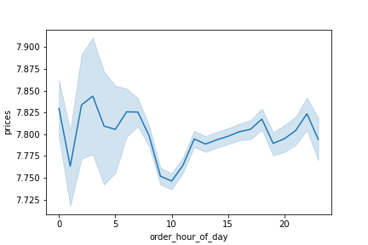
Line chart: Order hour of day and prices

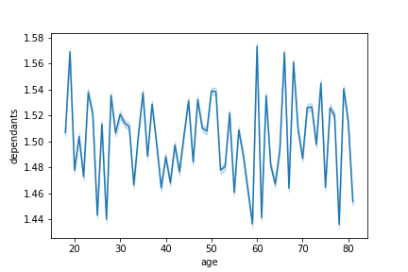
Line chart: Age and dependants


Histogram: Order hour of day

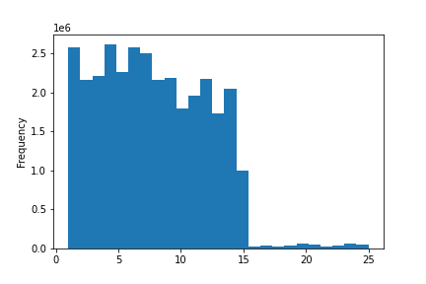
Histogram: Prices

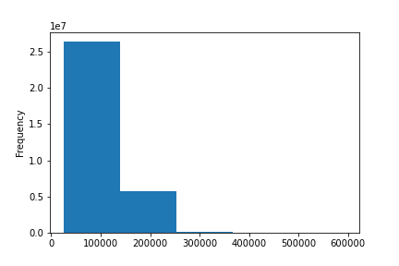
Histogram: Income

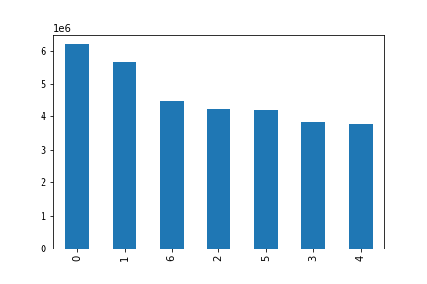
Bar chart: Day of week

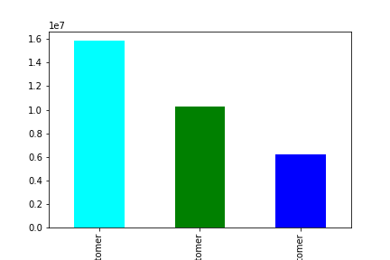
Bar chat: Loyalty flag

 | Regular | Loyal | New

4.10 Visualizations
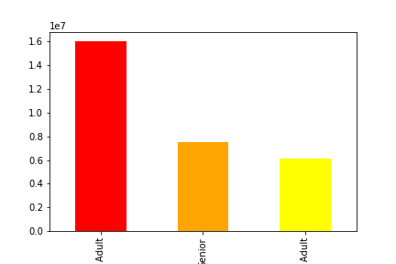
Bar chart: Age groups

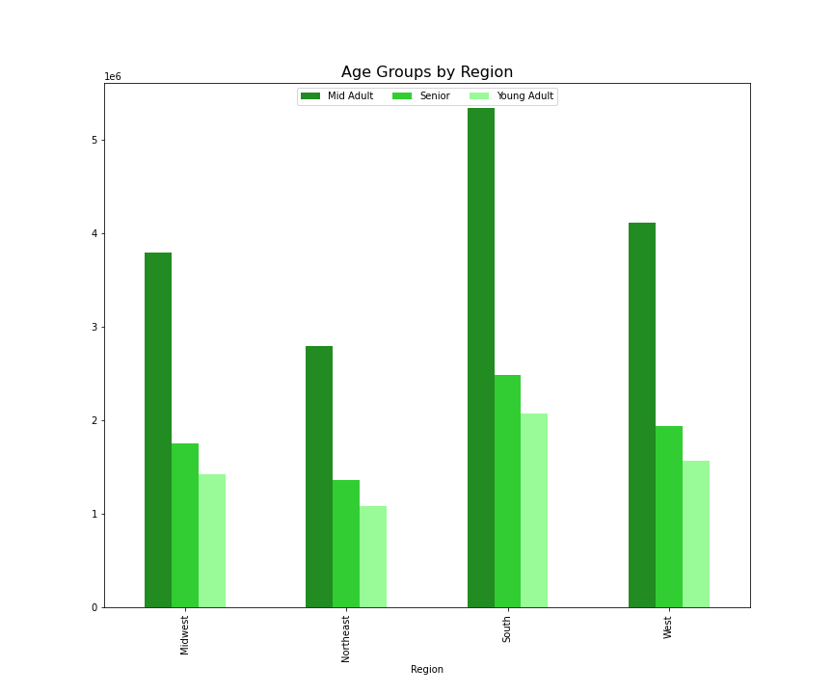

Bar chart: Age and regions

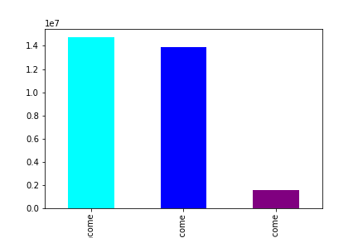
Bar chart: Income groups

 | High | Mid | Low

Bar chart: income and region
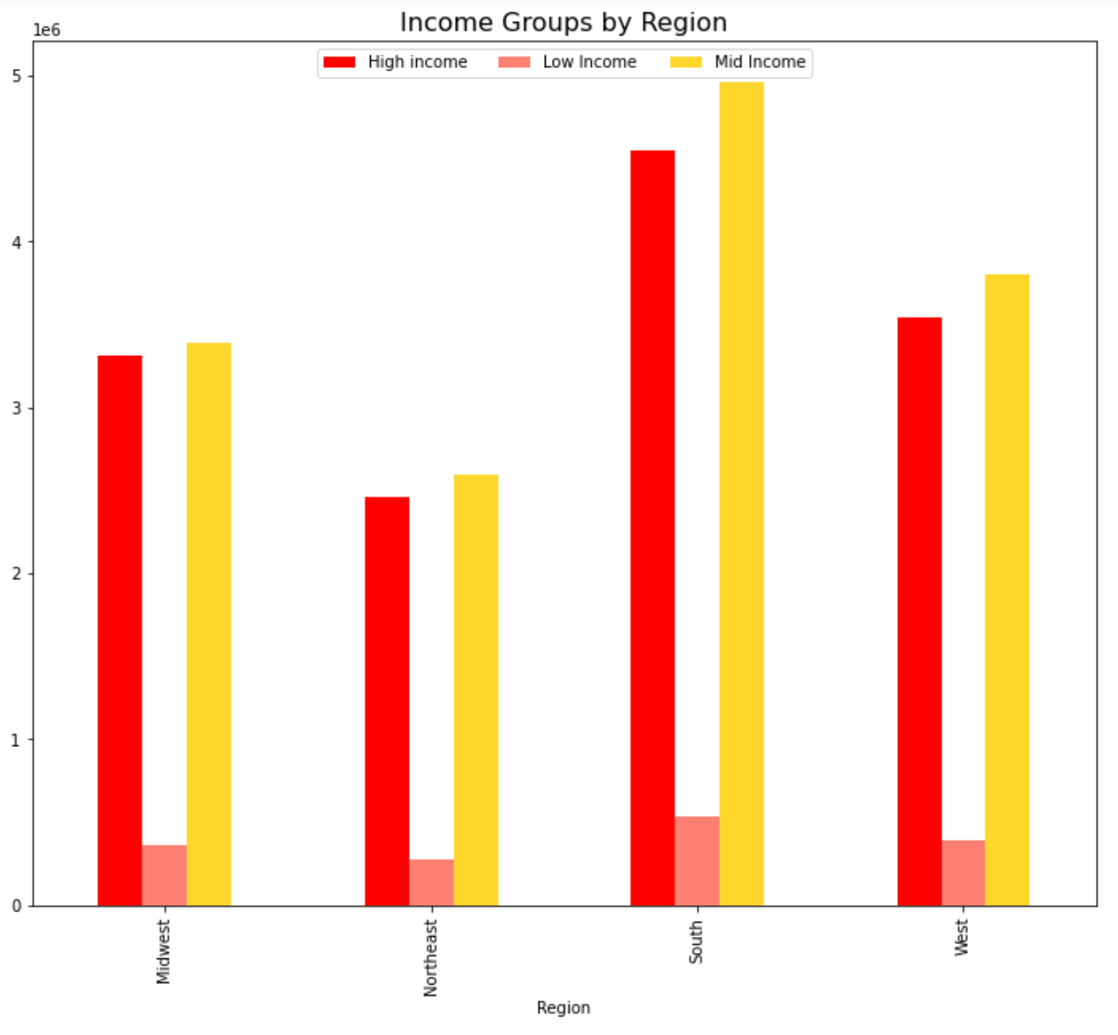

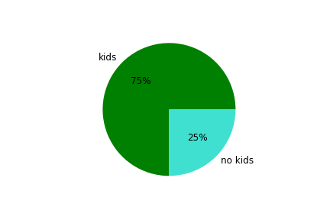
Pie chart: families (has kids) vs non families (no kids)

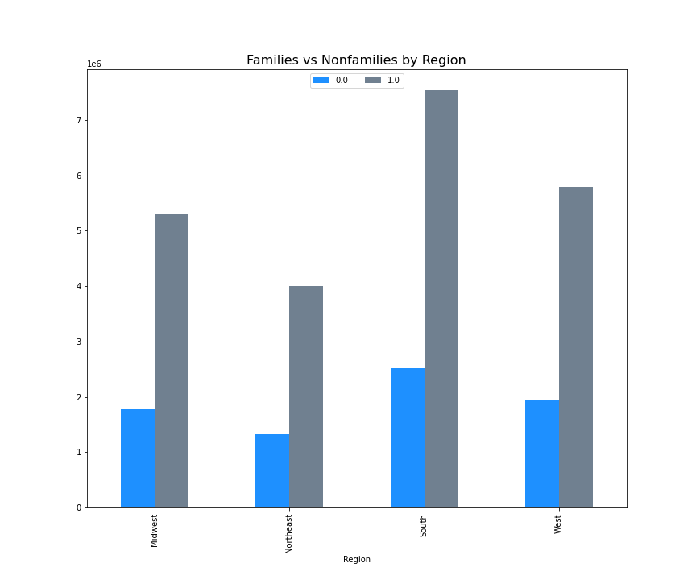

Bar chart: Family (has kids) vs nonfamily (0 kids) by region

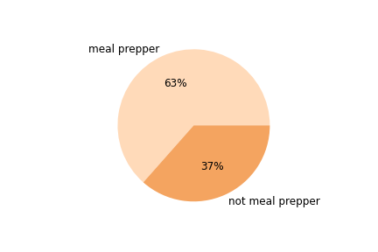
Pie chart: Meal preppers vs non meal preppers

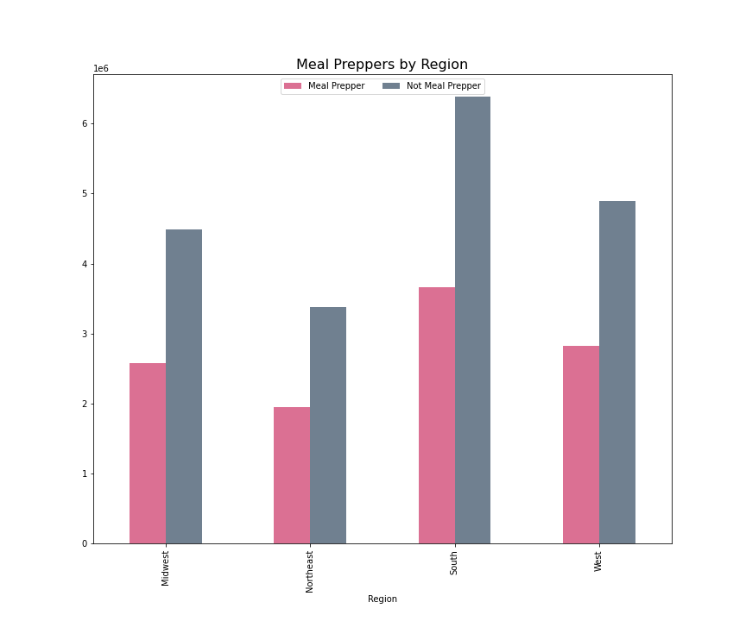
Bar chart: Meal preppers vs non meal preppers by region

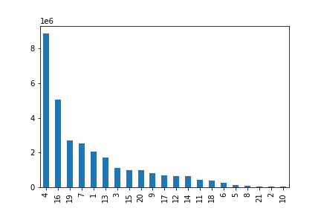
Bar chart: Department frequency for orders

7. Recommendations
Recommendations

In this tab you should include any recommendations you would made to Instcart in terms of their marketing strategy based on the questions posed in the brief. Every key question has been covered in the Tasks of the Exercises - here you need to add an item - a visualisation or table/crosstable that is showing the answer in the data, acompanied by a comment from you. Please, list the questions below and add the answer underneath.

QUESTIONS | ANSWERS AND RECOMMENDATIONS | SUPPORT FOR RECOMMENDATIONS
1) The sales team needs to know what the busiest days of the week and hours of the day are (i.e., the days and times with the most orders) in order to schedule ads at times when there are fewer orders. | The busiest days of week are SATURDAY and SUNDAY. The busiest times of day are 10AM TO 3PM | Busiest day of week / busiest hour of day

2) They also want to know whether there are particular times of the day when people spend the most money, as this might inform the type of products they advertise at these times. | The most money is spent per order in the early morning and late night (though these are not times of high volume orders) | Spending over the day

3) Instacart has a lot of products with different price tags. Marketing and sales want to use simpler price range groupings to help direct their efforts. Are there certain types of products that are more popular than others? The marketing and sales teams want to know which departments have the highest frequency of product orders. | The top 5 departments in order frequency are: PRODUCE, DAIRY/ EGGS, SNACKS, BEVERAGES, and FROZEN | Departments and frequency of orders each. See deparment codes to right --> | Departments
 |  |  | 1 frozen | 13 pantry
 |  |  | 2 other | 14breakfast
 |  |  | 3 bakery | 15 canned goods
 |  |  | 4produce | 16 dairy and eggs
 |  |  | 5 alcohol | 17 household
 |  |  | 6 international | 18 babies
 |  |  | 7beverages | 19 snacks
 |  |  | 8 pets | 20 deli
 |  |  | 9dry goods pasta | 21 missing
 |  |  | 10 bulk
 |  |  | 11 personal care
 |  |  | 1 2meat and seafood

4) The marketing and sales teams are particularly interested in the different types of customers in their system and how their ordering behaviors differ. For example: | 4a) Loyalty among customers breaks down to: | Loyalty
 | Regular customer 15,876,776
4a) What’s the distribution among users in regards to their brand loyalty ? | Loyal customer 10,284,093
 | New customer 6,243,990
4b) Are there differences in ordering habits based on a customer’s loyalty status?
 | 4b) Average spending is roughly the same across loyalty groups. Per transaction loyal customers spend less but order more frequently
4c) Are there differences in ordering habits based on a customer’s loyalty status? | loyalty_flag mean
 | Loyal customer 10.386336
4d) Are there differences in ordering habits based on a customer’s region? | New customer 13.29467
 | Regular customer 12.495717
4e) Is there a connection between age and family status in terms of ordering habits? |  | Regional observations
 | 4c) Loyal and regular customers are more likely to be higher spenders (spending on average more than $10 per order)
 | Low spender 31,770,614
 | High spender 634,245

 | 4d) In the SOUTH, most customers are HIGH OR MID INCOME, more likely to order for a FAMILY, are mostly MID ADULTS, and ARE NOT MEAL PREPPERS
 | 75% of all customers have DEPENDANTS
 | 63% of all customers are likely MEAL PREPPERS (order on Sat/ Sun)
 | Income, age groups, family status, and meal prepper status are all similar across regions

 | 4d) Age and income/ max orders are correlated, but age and family status are NOT.

 |  | Age and income/ family status

5) What different classifications does the demographic information suggest? Age? Income? Certain types of goods? Family status? | Customers are most likely to be mid-high income (over 40k per year), mid adults (over 30), and have at least 1 dependant (75%)

6) What differences can you find in ordering habits of different customer profiles? Consider the price of orders, the frequency of orders, the products customers are ordering, and anything else you can think of. | The data suggests that customers are ordering essential food items at the beginning of the week for their families. They value quality food but also ease (produce, dairy frozen, snacks, beverages). They are economically comfortable and most live in the South and Midwest. They like to plan ahead by ordering at the beginning of the week for school lunches (snacks, beverages), fast dinners (frozen), and simple meals (produce, dairy).

8. Data Citation
Data Citation

“The Instacart Online Grocery Shopping Dataset 2017”, Accessed from https://www.instacart.com/datasets/grocery-shopping-2017 on 9/20/2022
Customer data and 'prices' column were fabricated for learning purposes only.

